References
Impact of Aerosol Dust on xMAP Multiplex Detection of Different Class Pathogens
Absolute humidity modulates influenza survival, transmission, and seasonality
Aerodynamic Characteristics and RNA Concentration of SARS-CoV-2 Aerosol in Wuhan Hospitals during COVID-19 Outbreak
COVID-19: WHY WE SHOULD ALL WEAR MASKS — THERE IS NEW SCIENTIFIC RATIONALE
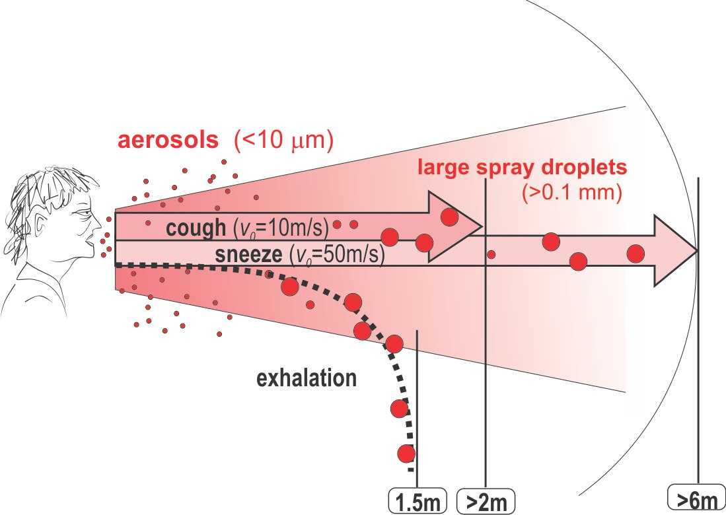

Задержать COVID-19. Все про фильтрацию воздуха на случай пандемии
Bioaerosol Science, Technology, and Engineering: Past, Present, and Future
A History of Single Aerosol Particle Levitation
The Pollution Particulate Concentrator (PoPCon): A platform to investigate the effects of particulate air pollutants on viral infectivity
Microstructure of atmospheric particles revealed by TXM and a new mode of influenza virus transmission
A method for the improved detection of aerosolized influenza viruses and the male-specific (F+) RNA coliphage MS2
Role of viral bioaerosols in nosocomial infections and measures for prevention and control
Generation of avian influenza virus (AIV) contaminated fecal fine particulate matter (PM2.5): Genome and infectivity detection and calculation of immission
Source specific exposure and risk assessment for indoor aerosol
https://www.sciencedirect.com/science/article/pii/S0195670106002866
High Temperature and High Humidity Reduce the Transmission of COVID-19
Characterization of infectious aerosols in health care facilities: An aid to effective engineering controls and preventive strategies
Characterization and source apportionment of carbonaceous PM2.5 particles in China - A review
Influenza virus infection in mice after exposure to coal dust and diesel engine emissions | outdoor
Airborne Infectious Microorganisms | В данной статье рассматривается вирусные, бактериальные и грибковые заболевания человека, передающихся через аэрозоли.
Indoor air humidity, air quality, and health – An overview
Virus as Populations - book Composition, Complexity, Quasispecies, Dynamics, and Biological Implications Book • 2nd Edition • 2019
Total Virus and Bacteria Concentrations in Indoor and Outdoor Air | концентрация вирусов и бактерий в воздухе помещений различных типов
Exposure to air pollution and COVID-19 mortality in the United States
GitHub: Global COVID-19 Epidemic Evaluation and Prediction
https://rp5.ru/ | данные о погоде - архив
Air pollution linked with higher COVID-19 death rates
Early dynamics of transmission and control of COVID-19
Survival of aerosolized coronavirus in the ambient air
Projecting the transmission dynamics of SARS-CoV-2 through the postpandemic period
A new biosensor for the COVID-19 virus | Определение COVID-19 в воздухе
Scientists in Italy find coronavirus on air pollution particles
Two mechanisms for accelerated diffusion of COVID-19 outbreaks in regions with high intensity of population and polluting industrialization: the air pollution-to-human and human-to-human transmission dynamics | перенос вируса с пылью
Air Pollution and the Novel Covid-19 Disease: a Putative Disease Risk Factor | перенос вируса с пылью

